Sheet1
File :
File Use to Store Data
So that we Can use that data at run time .
at run time we can [ Store , Update , Delete ] in data .

JAVA Application => Abc.java
In our class[.java] get DATA(read) from file and store DATA(write) in file.
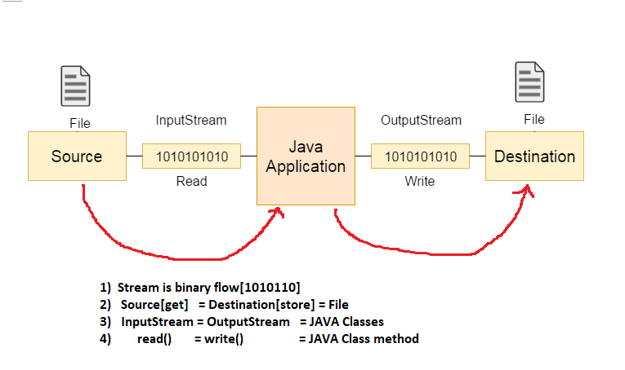

Stream
It is a flow from one side to another side . Example : River

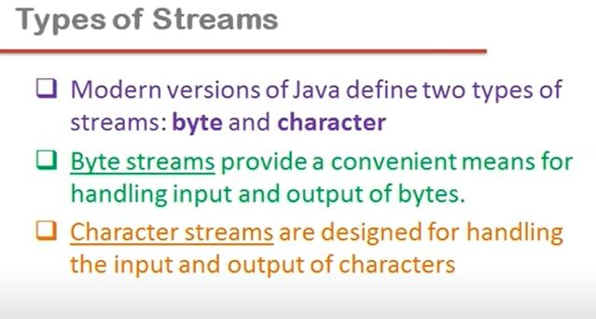

I want to store this String into File , So above Stream works.
String s = "Hello Java" ;

1) Byte Stream :
01001000011001010110110001101100011011110010000001001010011000010111011001100001

2) Chracter Stream :
01001000 01100101 01101100 01101100 01101111 00100000 01001010 01100001 01110110 01100001
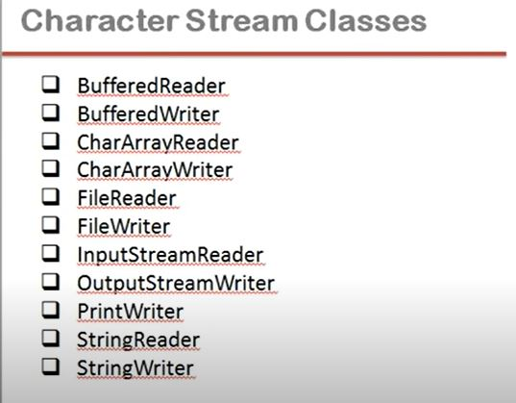
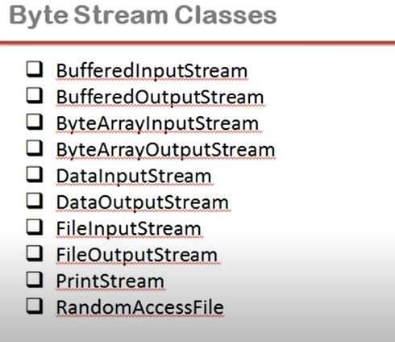

Steps
1) Create Object Of class[ Byte Stream Class , Character Strea Class ]
2) Call method [ read() OR write() ]

